YOUNG ATHLETES
REGISTRATION OF YOUNG ATHLETES |  |  |  |  |  |  |  |  |  |  |  |  |  |  |  |  |  | EMERGENCY CONTACT
SL NO. | NAME | PHOTO | FATHER'S NAME | MOTHER'S NAME | DATE OF BIRTH | GENDER | INSTITUTION/ORGANIZATION | HOUSE/VILLAGE | POLICE STATION/ UPAZILA | POST OFFICE | POST CODE | DISTRICT | CELL NUMBER | EMAIL ID | BIRTH CERTIFICATE/SUBORNO CARD | DISABILITY TYPE | REG. YEAR | NAME | RELATION | CELL NUMBER
1 | JANNATUL MAWYA | 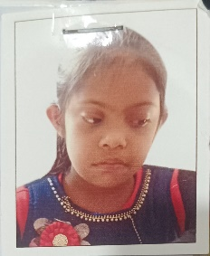 | ABDUL KADER | ROKEYA BEGUM | 29-10-2013 | FAMALE | FENI ID & AUTISTIC SCHOOL | BHUIYAN BARI, FAZILPUR | FENI SADAR | FENI | 1111 | FENI | 01999042127 | sobdnfic@gmail.com | 111111 | ID | 2019 | MOHAMMAD ZAKARIA | TEACHER | 01718732207
2 | ABDUL LATIF SAKIB | 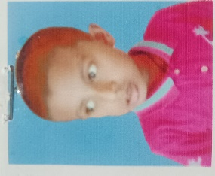 | ABDUL HANNAN | FERDOUS ARA | 2013-01-02 | MALE | FENI ID & AUTISTIC SCHOOL | ABDUR SALAM KARI SAHEBER BARI, BARAHIPUR, W-2 | FENI PAURASAVA | FENI | 1111 | FENI | 01718732207 | sobdnfic@gmail.com | 222222 | AUTISM | 2019 | MOHAMMAD ZAKARIA | TEACHER | 01718732207
3 | AHNAF AHMED | 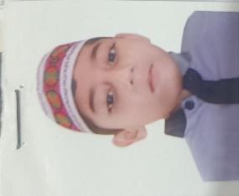 | ALI KARIMULLAH | MAKSHUDAH AKTER | 25-08-2012 | MALE | FENI ID & AUTISTIC SCHOOL | CHELONIY | DHAGANBHUIYAN | SCHOOL CLELONIA | 1111 | FENI | 01816136880 | sobdnfic@gmail.com | 333333 | ID | 2019 | MOHAMMAD ZAKARIA | TEACHER | 01718732207
4 | KAMRUL HASSSAN |  | MAHMODUL HASAN | ARJINA KHATUN | 30-11-2013 | MALE | FENI ID & AUTISTIC SCHOOL | NIZAN UDDIN PATWARI BARI, NIZIR ROAD | FENI SADAR | FENI | 1111 | FENI | 01718732207 | sobdnfic@gmail.com | 444444 | ID | 2019 | MOHA+R6:U6MMAD ZAKARIA | TEACHER | 01718732207
5 | ALIFA AFROZ | 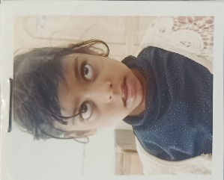 | MOSHIN KABIR | AFROZA YESMIN | 21-8-2013 | FEMALE | FENI ID & AUTISTIC SCHOOL | LASKARHAT | FENI SADAR | FENI SDAR | 1111 | FENI | 01842732207 | sobdnfic@gmail.com | 555555 | ID | 2019 | MOHAMMAD ZAKARIA | TEACHER | 01718732207
6 | NOFEL UDDIN | 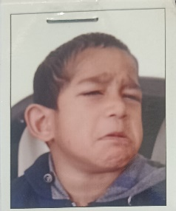 | NIZAM UDDIN CHOWDHURY | NASIMA AKTER | 2014-07-06 | MALE | FENI ID & AUTISTIC SCHOOL | SHANBAGH | NOAKHALI | NOAKHALI | 1111 | NOAKHALI | 01718732207 | sobdnfic@gmail.com | 666666 | ID | 2019 | MOHAMMAD ZAKARIA | TEACHER | 01718732207
7 | NAHAL UDDIN |  | NIZAM UDDIN CHOWDHURY | NASIMA AKTER | 2013-05-06 | MALE | FENI ID & AUTISTIC SCHOOL | SHANBAGH | NOAKHALI | FENI | 1111 | FENI | 01717688535 | sobdnfic@gmail.com | 777777 | ID | 2019 | MOHAMMAD ZAKARIA | TEACHER | 01718732207
8 | NAZRUL ISLAM |  | KAMRUL ISLAM | ROSHEDA BEGUM | 20-02-2013 | MALE | FENI ID & AUTISTIC SCHOOL | RAMPUR PATWARY BARI | FENI SADAR | FENI | 1111 | FENI | 01718732207 | sobdnfic@gmail.com | 888888 | ID | 2019 | MOHAMMAD ZAKARIA | TEACHER | 01718732207
9 | SHOPNIL BOSHAK |  | PIKLO NIL BOSHAK | PATUL RANI | 20-07-2011 | MALE | FENI ID & AUTISTIC SCHOOL | NIZIR ROAD | FENI SADAR | FENI | 1111 | FENI | 01842732207 | sobdnfic@gmail.com | 999999 | ID | 2019 | MOHAMMAD ZAKARIA | TEACHER | 01718732207
10 | SHAMINUL ISLAM |  | NIZAM UDDIN | ASHMA AKTER | 14-01-2012 | MALE | FENI ID & AUTISTIC SCHOOL | PATHAN BARI ROAD, W-10 | FENI PAURASAVA | FENI | 1111 | FENI | 01718732207 | sobdnfic@gmail.com | 1111110 | ID | 2019 | MOHAMMAD ZAKARIA | TEACHER | 01718732207
11
12
13
14
15
16
17
18
19
20
21
22
23
24
25
26
27
28
29
30
31
32
33
34
35
36
37
38
39
40
41
42
43
44
45
46
47
48
49
50
51
52
53
54
55
56
57
58
59
60
61
62
63
64
65
66
67
68
69
70
71
72
73
74
75
76
77
78
79
80
81
82
83
84
85
86
87
88
89
90
91
92
93
94
95
96
97
98
99
100
101
102
103
104
105
106
107
108
109
110
111
112
113
114
115
116
117
118
119
120
121
122
123
124
125
126
127
128
129
130
131
132
133
134
135
136
137
138
139
140
141
142
143
144
145
146
147
148
149
150
151
152
153
154
155
156
157
158
159
160
161
162
163
164
165
166
167
168
169
170
171
172
173
174
175
176
177
178
179
180
181
182
183
184
185
186
187
188
189
190
191
192
193
194
195
196
197
198
199
200
201
202
203
204
205
206
207
208
209
210
211
212
213
214
215
216
217
218
219
220
221
222
223
224
225
226
227
228
229
230
231
232
233
234
235
236
237
238
239
240
241
242
243
244
245
246
247
248
249
250
251
252
253
254
255
256
257
258
259
260
261
262
263
264
265
266
267
268
269
270
271
272
273
274
275
276
277
278
279
280
281
282
283
284
285
286
287
288
289
290
291
292
293
294
295
296
297
298
299
300
301
302
303
304
305
306
307
308
309
310
311
312
313
314
315
316
317
318
319
320
321
322
323
324
325
326
327
328
329
330
331
332
333
334
335
336
337
338
339
340
341
342
343
344
345
346
347
348
349
350
351
352
353
354
355
356
357
358
359
360
361
362
363
364
365
366
367
368
369
370
371
372
373
374
375
376
377
378
379
380
381
382
383
384
385
386
387
388
389
390
391
392
393
394
395
396
397
398
399
400
401
402
403
404
405
406
407
408
409
410
411
412
413
414
415
416
417
418
419
420
421
422
423
424
425
426
427
428
429
430
431
432
433
434
435
436
437
438
439
440
441
442
443
444
445
446
447
448
449
450
451
452
453
454
455
456
457
458
459
460
461
462
463
464
465
466
467
468
469
470
471
472
473
474
475
476
477
478
479
480
481
482
483
484
485
486
487
488
489
490
491
492
493
494
495
496
497
498
499
500
501
502
503
504
505
506
507
508
509
510
511
512
513
514
515
516
517
518
519
520
521
522
523
524
525
526
527
528
529
530
531
532
533
534
535
536
537
538
539
540

ATHLETES
REGISTRATION OF ATHLETES |  |  |  |  |  |  |  |  |  |  |  |  |  |  |  |  |  |  | EMERGENCY CONTACT
SL NO. | NAME | PHOTO | FATHER'S NAME | MOTHER'S NAME | DATE OF BIRTH | GENDER | INSTITUTION/ORGANIZATION | HOUSE/VILLAGE | POLICE STATION/ UPAZILA | POST OFFICE | POST CODE | DISTRICT | CELL NUMBER | EMAIL ID | BIRTH CERTIFICATE/SUBORNO CARD | DISABILITY TYPE | SPORTS/EVENTS | REG. YEAR | NAME | RELATION | CELL NUMBER
1 | SHOEL | 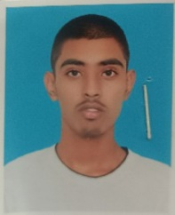 | BABUL HOSSAN | SUFIYA | 2006-08-09 | MALE | DINAJPUR ID & AUTISTIC SCHOOL | GOLAPBAG, W -1 | DINAJPUR PAURASAVA | DINAJPUR | 1111 | DINAJPUR | 01716153425 | sobdnfic@gmail.com | 20062722801009795-06 | ID | ATHLETICS | 2024 | MD ABUL SHAH NEWAZ | TEACHER | 01716153425
2 | MD NAZMUL HAQUE NAYEM | 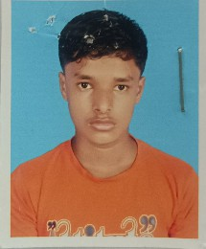 | MD ABDUR RAHIM | NAZAMA BEGUM | 2008-01-02 | MALE | DINAJPUR ID & AUTISTIC SCHOOL | ALOKDIHI | ALOKDIHI | CHIRIRBANDAR | 1111 | DINAJPUR | 01775014260 | sobdnfic@gmail.com | 20082713015100654-05 | ID | ATHLETICS | 2024 | MD ABUL SHAH NEWAZ | TEACHER | 01716153425
3 | MD SARIF | 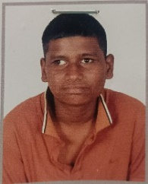 | MD ALOM | MST MONERA | 2009-03-16 | MALE | DINAJPUR ID & AUTISTIC SCHOOL | PATUYAPARA, W-02 | DINAJPUR PAURASAVA | DINAJPUR | 1111 | DINAJPUR | 01774649315 | sobdnfic@gmail.com | 20092722802197948-05 | ID | ATHLETICS | 2024 | MD ABUL SHAH NEWAZ | TEACHER | 01716153425
4 | MD SAKIB KHAN |  | MD SHORIFUL ISLAM | MST ALEYA BEGUM | 30-11-2008 | MALE | DINAJPUR ID & AUTISTIC SCHOOL | ROGHUNATHPUR | BINODNAGAR | NAWABGANJ | 1111 | DINAJPUR | 01716153425 | sobdnfic@gmail.com | 20082716917128507-05 | ID | ATHLETICS | 2024 | MD ABUL SHAH NEWAZ | TEACHER | 01716153425
5 | IMROJ ABONAM EPTI | 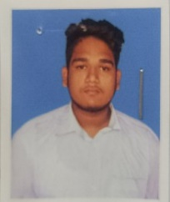 | MD FEROZ | YESMIN ARA | 2004-08-12 | MALE | DINAJPUR ID & AUTISTIC SCHOOL | BROBONDOR, W-06 | DINAJPUR PAURASAVA | DINAJPUR | 1111 | DINAJPUR | 01945228680 | sobdnfic@gmail.com | 2004277806069761-05 | ID | BADMINTON | 2024 | MD ABUL SHAH NEWAZ | TEACHER | 01716153425
6 | RIZOAN ISLAM ROSE | 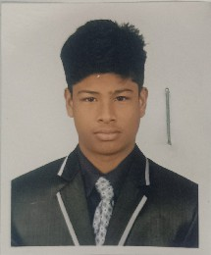 | MD ROYZUL ISLAM | NOYON MONE | 2004-10-06 | MALE | DINAJPUR ID & AUTISTIC SCHOOL | LALBAGUE, W-01 | DINAJPUR PAURASAVA | DINAJPUR | 1111 | DINAJPUR | 01737212681 | sobdnfic@gmail.com | 2004801198430-06 | ID | BADMINTON | 2024 | MD ABUL SHAH NEWAZ | TEACHER | 01716153425
7 | MD NAJMUS SHAKIB RAFID | 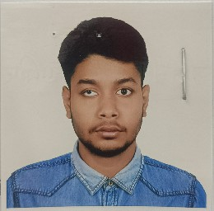 | MD JOHIR UDDIN PRAMANIK | DILRUBA BEGUM | 21-01-2005 | MALE | DINAJPUR ID & AUTISTIC SCHOOL | ISLAMGANTHI | BISHA | ATRAI | 1111 | NAOGAON | 01750245047 | sobdnfic@gmail.com | 20056410331029188-11 | MULTIPLE | BADMINTON | 2024 | MD ABUL SHAH NEWAZ | TEACHER | 01716153425
8 | MD MAMTAJUL ISLAM | 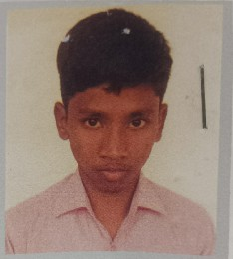 | ABDUL MALEK | MST ARJINA | 2005-07-04 | MALE | DINAJPUR ID & AUTISTIC SCHOOL | CHAKMADHU | DINAJPUR SADAR | SHAHSHARA | 1111 | DINAJPUR | 01716153425 | sobdnfic@gmail.com | 20062716469007202-05 | ID | BADMINTON | 2024 | MD ABUL SHAH NEWAZ | TEACHER | 01716153425
9 | MST HUMAYRA FERDOUS | 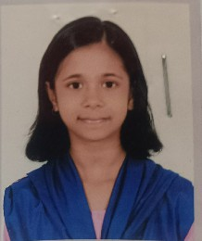 | MD ISAHAK | MST SORIFA KHATUN | 2008-01-08 | FEMALE | DINAJPUR ID & AUTISTIC SCHOOL | SARANGY POLAS BARI | BIRAL | PALASHBARI | 1111 | DINAJPUR | 01741460854 | sobdnfic@gmail.com | 20082711780014619-11 | MULTIPLE | BADMINTON | 2024 | MD ABUL SHAH NEWAZ | TEACHER | 01716153425
10 | SAIDUR RAHMAN MUBIN | 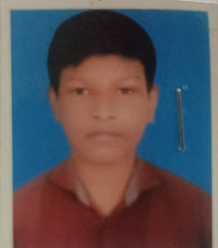 | MOJIBUR RAHMAN | SURAYA | 22-10-2008 | MALE | DINAJPUR ID & AUTISTIC SCHOOL | 16/A, SHOHID FARUK ROAD | JATRABARI | JATRABARI | 1204 | DHAKA | 01716153425 | sobdnfic@gmail.com | 20082692050188676 | ID | FOOTBALL | 2024 | MD ABUL SHAH NEWAZ | TEACHER | 01716153425
11
12
13
14
15
16
17
18
19
20
21
22
23
24
25
26
27
28
29
30
31
32
33
34
35
36
37
38
39
40
41
42
43
44
45
46
47
48
49
50
51
52
53
54
55
56
57
58
59
60
61
62
63
64
65
66
67
68
69
70
71
72
73
74
75
76
77
78
79
80
81
82
83
84
85
86
87
88
89
90
91
92
93
94
95
96
97
98
99
100
101
102
103
104
105
106
107
108
109
110
111
112
113
114
115
116
117
118
119
120
121
122
123
124
125
126
127
128
129
130
131
132
133
134
135
136
137
138
139
140
141
142
143
144
145
146
147
148
149
150
151
152
153
154
155
156
157
158
159
160
161
162
163
164
165
166
167
168
169
170
171
172
173
174
175
176
177
178
179
180
181
182
183
184
185
186
187
188
189
190
191
192
193
194
195
196
197
198
199
200
201
202
203
204
205
206
207
208
209
210
211
212
213
214
215
216
217
218
219
220
221
222
223
224
225
226
227
228
229
230
231
232
233
234
235
236
237
238
239
240
241
242
243
244
245
246
247
248
249
250
251
252
253
254
255
256
257
258
259
260
261
262
263
264
265
266
267
268
269
270
271
272
273
274
275
276
277
278
279
280
281
282
283
284
285
286
287
288
289
290
291
292
293
294
295
296
297
298
299
300
301
302
303
304
305
306
307
308
309
310
311
312
313
314
315
316
317
318
319
320
321
322
323
324
325
326
327
328
329
330
331
332
333
334
335
336
337
338
339
340
341
342
343
344
345
346
347
348
349
350
351
352
353
354
355
356
357
358
359
360
361
362
363
364
365
366
367
368
369
 | MD NAZMUL HAQUE NAYEM |  | MD ABDUR RAHIM | NAZMA BEGUM | 2008-01-02 | MALE |  | ALOKDIHI | ALOKDIHI | CHIRIRBANDAR | 1111 | DINAJPUR | 01716153425 |  | 20082713015100654-05 | ID

FAMILIES
REGISTRATION OF FAMILIES |  |  |  |  |  |  |  |  |  |  |  |  |  |  |  |  | EMERGENCY CONTACT
SL NO. | NAME | PHOTO | SPOUSE NAME | GENDER | SON/DAUGHTER'S NAME | HOUSE/VILLAGE | POLICE STATION/ UPAZILA | POST OFFICE | POST CODE | DISTRICT | CELL NUMBER | PROFESSION | AGE | INSTITUTION/ORGANIZATION OF YOUNG ATHLETES/ATHLETES | EMAIL ID | NID CARD NUMBER | NAME | RELATION | CELL NUMBER
1 | SUMSUN NAHER | 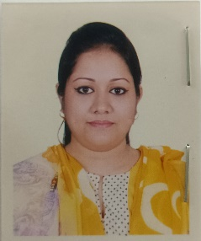 | MONZUR UI AHSAN | FEMALE | RUBAYET AHSAN OHON | 119/10, AHMEDBAG | BASABO | BASABO | 1214 | DHAKA | 01950552086 | HOUSE WIFE | 30 | SWID VOCATIONAL TRAINING SCHOOL | shilpi81@gmail.com | 1111111 | NILUFAR YASMIN NILU | FSN FAMILY LEADER | 01676726231
2 | SHAHPORI BEGUM |  | MD FORID UDDIN | FEMALE | ASHRAF UDDIN FIDA | 17/3, TOLLBAG | WSET RAJABAZAR | WEST RAJABAZAR | 1222 | DHAKA | 01840606067 | HOUSE WIFE | 40 | SWID VOCATIONAL TRAINING SCHOOL | sobdnfic@gmail.com | 222222 | NILUFAR YASMIN NILU | FSN FAMILY LEADER | 01676726232
3 | SHANTI DEY | 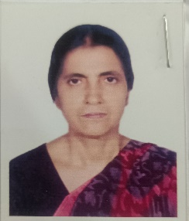 | LATE DULAL CHANDRA DEY | FEMALE | DIPONGKOR DEY | 302, BORO MOGBAZAR | MOGBAZAR | MOGBAZAR | 1211 | DHAKA | 01941155193 | HOUSE WIFE | 50 | SWID VOCATIONAL TRAINING SCHOOL | sobdnfic@gmail.com | 777777 | NILUFAR YASMIN NILU | FSN FAMILY LEADER | 01676726233
4
5
6
7
8
9
10
11
12
13
14
15
16
17
18
19
20
21
22
23
24
25
26
27
28
29
30
31
32
33
34
35
36
37
38
39
40
41
42
43
44
45
46
47
48
49
50
51
52
53
54
55
56
57
58
59
60
61
62
63
64
65
66
67
68
69
70
71
72
73
74
75
76
77
78
79
80
81
82
83
84
85
86
87
88
89
90
91
92
93
94
95
96
97
98
99
100
101
102
103
104
105
106
107
108
109
110
111
112
113
114
115
116
117
118
119
120
121
122
123
124
125
126
127
128
129
130
131
132
133
134
135
136
137
138
139
140
141
142
143
144
145
146
147
148
149
150
151
152
153
154
155
156
157
158
159
160
161
162
163
164
165
166
167
168
169
170
171
172
173
174
175
176
177
178
179
180
181
182
183
184
185
186
187
188
189
190
191
192
193
194
195
196
197
198
199
200
201
202
203
204
205
206
207
208
209
210
211
212
213
214
215
216
217
218
219
220

UNIFIED PARTNERS
REGISTRATION OF UNIFIED PARTNERS |  |  |  |  |  |  |  |  |  |  |  |  |  |  |  |  |  | EMERGENCY CONTACT
SL NO. | NAME | PHOTO | FATHER'S NAME | MOTHER'S NAME | DATE OF BIRTH | GENDER | INSTITUTION/ORGANIZATION | HOUSE/VILLAGE | POLICE STATION/ UPAZILA | POST OFFICE | POST CODE | DISTRICT | CELL NUMBER | EMAIL ID | BIRTH CERTIFICATE/NID CARD NUMBER | SPORTS/EVENTS | REG. YEAR | NAME | RELATION | CELL NUMBER
1 | NUHA CHOWDHURY |  | RONY CHOWDHURY | RAHENA BEGUM | 13-10-13 | FEMALE | FENI ID & AUTISTIC SCHOOL | RAMPUR MASTER BARI, W-16 | FENI | FENI | 1111 | FENI | 01999042127 | SOBDNFIC@GMAIL.COM | 1111111 | YOUNG ATHLETE | 2019 | MOHAMMAD ZAKARIA | TEACHER | 01718732207
2 | NAYAN MIYA | 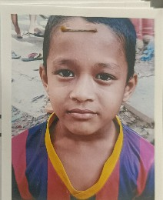 | KABIR ALI | HOSNEA ARA BEGUM | 20/10/2015 | MALE | FENI ID & AUTISTIC SCHOOL | RAMPUR SAYED BARI, W-17 | FENI | FENI | 1112 | FENI | 01999042128 | SOBDNFIC@GMAIL.COM | 22222200874532800 | YOUNG ATHLETE | 2019 | MOHAMMAD ZAKARIA | TEACHER | 01718732208
3 | SADIKA NOZNU |  | AMINUL ISLAM MONZU | ROZINA AKTER | 2014-09-10 | FEMALE | FENI ID & AUTISTIC SCHOOL | RAMPUR MASTER BARI | FENI | FENI | 1113 | FENI | 01999042129 | SOBDNFIC@GMAIL.COM | 333333 | YOUNG ATHLETE | 2019 | MOHAMMAD ZAKARIA | TEACHER | 01718732209
4 | SAYMA KTER |  | SHAHEDUL ISLAM | KOHINUR AKTER | 30-1-2011 | FEMALE | FENI ID & AUTISTIC SCHOOL | CHANDALA | SONAGAZI | KUTIRHAT | 1122 | FENI | 01718732207 | SOBDNFIC@GMAIL.COM | 7777777777 | YOUNG ATHLETE | 21-08-2019 | MOHAMMAD ZAKARIA | TEACHER | 01718732210
5
6
7
8
9
10
11
12
13
14
15
16
17
18
19
20
21
22
23
24
25
26
27
28
29
30
31
32
33
34
35
36
37
38
39
40
41
42
43
44
45
46
47
48
49
50
51
52
53
54
55
56
57
58
59
60
61
62
63
64
65
66
67
68
69
70
71
72
73
74
75
76
77
78
79
80
81
82
83
84
85
86
87
88
89
90
91
92
93
94
95
96
97
98
99
100
101
102
103
104
105
106
107
108
109
110
111
112
113
114
115
116
117
118
119
120
121
122
123
124
125
126
127
128
129
130
131
132
133
134
135
136
137
138
139
140
141
142
143
144
145
146
147
148
149
150
151
152
153
154
155
156
157
158
159
160
161
162
163
164
165
166
167
168
169
170
171
172
173
174
175
176
177
178
179
180
181
182
183
184
185
186
187
188
189
190
191
192
193
194
195
196
197
198
199
200
201
202
203
204
205
206
207
208
209
210
211
212
213
214
215
216
217
218
219
220

